Sheet1
 | STEP 1 |  | PROCEURE TO USE THE SHEET
 |  |  | STEP.1:- Click on the RED button named "Data Entry"
 |  |  | STEP.2:- Select the Type of ZONE by clicking on Zone Buttons
 |  |  | STEP.3:-Click on the "Portion of roof" and "Side of building" buttons
 |  |  | STEP.4:-Select the section from sheet 2 to check the section is Ok or not
REQUIRED DATA
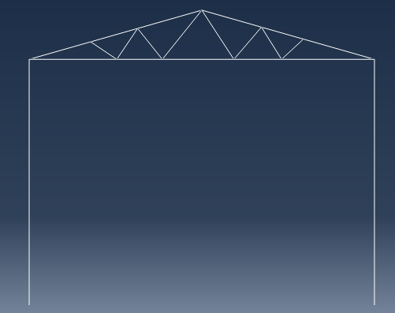
Panel Points
Top Chord
h
HEIGHT OF TRUSS FROM GROUND (H) | 5.00 | m
TERRAIN CATEGORY | 2.00 |  |  | Inserted value from "Data Entry" button
HEIGHT OF TRUSS ABOVE SPAN (h) | 1.00 | m |  | Insert values
SPACING OF TRUSS | 4.40 | m |  | Calculated Values
SPAN LENGTH | 7.00 | m |  | Condition based values
Span Length
LENGTH OF TOP CHORD(SINGLE SIDE) | 3.64 | m
TOTAL NUMBER OF PANELS | 6
SPACING OF PURLIN | 1.00 | m
SLOPING AREA OF ROOF TRUSS FOR ONE BAY | 32.03 | sq.m
PLAN AREA OF ROOF TRUSS FOR ONE BAY | 30.80 | sq.m
TOTAL NO OF PURLINS | 8
H
SLOPE OF TOP CHORD | 15.95 | degrees

LOAD CALCULATIONS
DEAD LOAD :
UNIT SELF WEIGHT OF SHEET USED | 210.00 | N/m2
UNIT SELF WEIGHT OF PURLIN | 70.00 | N/m2

SELF WEIGHT OF SHEET ON PLAN AREA | 6468.00 | N
SELF WEIGHT OF PURLIN | 2156.00 | N

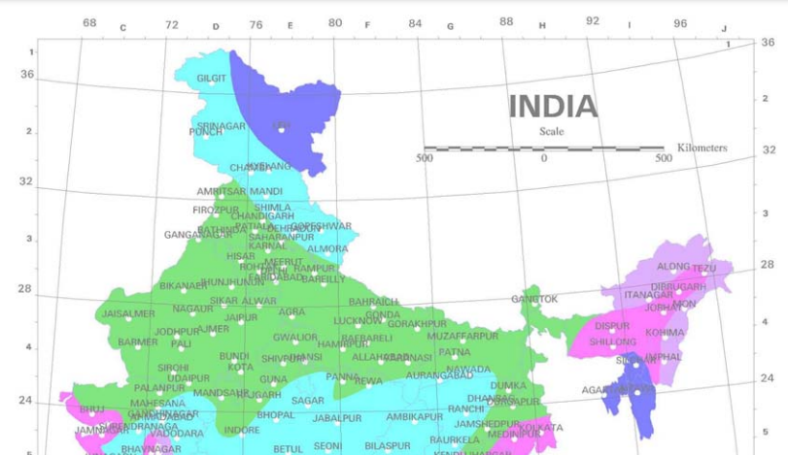
TOTAL DEAD LOAD | 8624.00 | N
DEAD LOAD ON EACH INTERMEDIATE NODES(LOAD/NO OF PANELS) | 1437.33 | N | 1.44 | KN
DEAD LOAD ON END NODE | 718.67 | N | 0.72 | KN

LIVE LOAD :
Imposed load on truss | 750.00 | N/m2
Live load on the truss | 23100.00 | N
Live load on each Intermediate node | 3850.00 | N | 3.85 | KN
Live load on end node | 1925.00 | N | 1.93 | KN
 |  |  |  |  |  | STEP 2
WIND LOAD :
design wind speed (Vz) | 47.00 | m/s | TABLE 1 IS875 (PART 3) |  | Press for Zone selection
Vz = Vb × K1× K2×K3xK4
K1 | 0.71 |  | table 1 |  |  | Zone
K2 | 1.00 |  | table 2 |  |  | Wind speed(m/s) |  | 33 |  | 39 | 44 | 47 | 50 | 55
K3 | 1.00 |  | cl.5.3.3
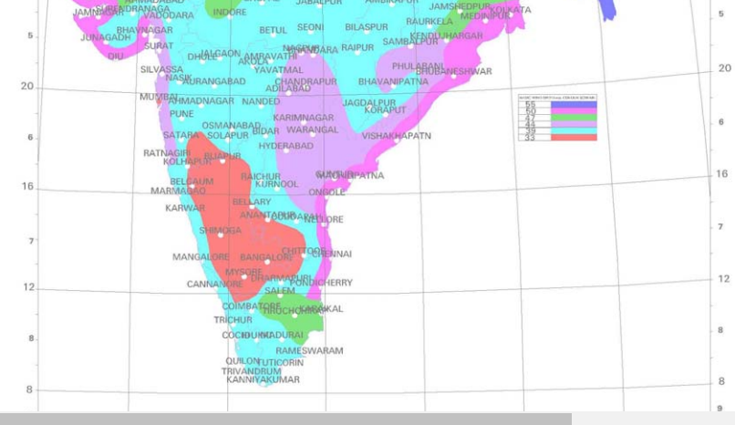
K4 | 1.00
Vz = Vb × K1× K2×K3 xK4 | 33.37 | m/s
Kd(For rectangular structure=0.9, for circular=1) | 0.9 |  |  | Table 4
Ka | 0.80 |  | Table 4 Sheet 2 | Tributary Area (A) (m2 ) | Area Averaging Factor(Ka)
Kc | 0.95 |  |  | ≤ 10 | 1
90
factor max(kd*ka*kc,0.7) | 0.70 |  |  | 25 | 0.9
wind pressure(Pz=0.6*Vz*Vz) | 66.81 | kg/m2 |  | ≥ 100 | 0.8
Design wind pressure(Pd = Pz*max factor) | 47.00 | kg/m2
Wall C
CALCULATION OF EXTERNAL PRESSURE COFFICIENT "Cpe"
E
G
Wall A
180
0
Greater horizontal dimension "l" | 22.00 | m
Lesser horizontal dimension "w" | 7.00 | m
H | 5.00 | m
F
H
Wall B
Height by span length ratio (H/w) | 0.71 |  |  |  |  |  |  |  |  |  |  |  |  | Table 5 |  |  |  |  |  |  | Table 6
Length by span length ratio (l/w) | 3.14 |  |  |  |  |  |  |  |  |  |  |  |  | Building Height Ratio | Building Plan Ratio | Wind Angle(degree) | Cpe For Surface |  |  |  | Building Height Ratio | Roof Angle(α) | Wind angle (0 degree) |  | Wind angle (90 degree)
Wall D
Wind load F on building | F = (Cpe ± Cpi) Pz |  | Cl.6.2.1, IS 875 |  |  |  |  |  |  |  |  |  |  | H/w < 0.5 | 1 < l/w <1.5 | 0 | 0.7 | -0.2 | -0.5 | -0.5 |  |  | EF | GH | EG | FH
 |  |  |  | STEP 3 |  |  |  |  |  |  |  |  |  |  |  | 90 | -0.5 | -0.5 | 0.7 | -0.2 | H/w < 0.5 | 0 | -0.8 | -0.4 | -0.8 | -0.4
VALUES OF Cpe | Press the Buttons |  |  |  |  |  |  |  |  |  |  |  |  |  | 1.5< l/w <4 | 0 | 0.7 | -0.25 | -0.6 | -0.6 |  | 5 | -0.9 | -0.4 | -0.8 | -0.4
270
 |  |  |  |  |  |  |  |  |  |  |  |  |  |  |  | 90 | -0.5 | -0.5 | 0.7 | -0.1 |  | 10 | -1.2 | -0.4 | -0.8 | -0.6
 | Wind Direction |  | Portion of roof |  | Side of the building |  |  |  |  |  |  |  |  | 0.5<H/w < 1.5 | 1 < l/w <1.5 | 0 | 0.7 | -0.25 | -0.6 | -0.6 |  | 20 | -0.4 | -0.4 | -0.7 | -0.6
 | Structure | STAAD | EF/EG | GH/FH | A | B |  | C |  | D |  |  |  |  |  | 90 | -0.6 | -0.6 | 0.7 | -0.25 |  | 30 | 0 | -0.4 | -0.7 | -0.6
 | 0.00 | (+)X | -0.86186065451 | -0.54046516363 | 0.7 | -0.3 |  | -0.7 |  | -0.7 |  |  |  |  | 1.5< l/w <4 | 0 | 0.7 | -0.3 | -0.7 | -0.7 |  | 45 | 0.3 | -0.5 | -0.7 | -0.6
 | 180.00 | (-)X | -0.54046516363 | -0.86186065451 | -0.3 | 0.7 |  | -0.7 |  | -0.7 |  |  |  |  |  | 90 | -0.5 | -0.5 | 0.7 | -0.1 |  | 60 | 0.7 | -0.6 | -0.7 | -0.6
Cpe is found by interpolation(i.e portion of the roof) | 90.00 | (+)Z | -0.8 | -0.6 | -0.5 | -0.5 |  | 0.7 |  | -0.1 |  |  |  | 1.5<H/w < 6 | 1< l/w <1.5 | 0 | 0.8 | -0.25 | -0.8 | -0.8 | 0.5<H/w < 1.5 | 0 | -0.8 | -0.6 | -1 | -0.6
 | 270.00 | (-)Z | -0.6 | -0.8 | -0.5 | -0.5 |  | -0.1 |  | 0.7 |  |  |  |  |  | 90 | -0.8 | -0.8 | 0.8 | -0.25 |  | 5 | -0.9 | -0.6 | -0.9 | -0.6
 |  |  |  |  |  |  |  |  |  |  |  |  |  |  | 1.5< l/w <4 | 0 | 0.7 | -0.4 | -0.7 | -0.7 |  | 10 | -1.1 | -0.6 | -0.8 | -0.6
Internal pressure cofficient, Cpi | 0.50 | -0.5 |  |  |  |  |  |  |  |  |  |  |  |  |  | 90 | -0.5 | -0.5 | 0.8 | -0.1 |  | 20 | -0.7 | -0.5 | -0.8 | -0.6
 |  |  |  |  |  |  |  |  |  |  |  |  |  | H/w > 6 | l/w=1.5 | 0 | 0.95 | -1.85 | -0.9 | -0.9 |  | 30 | -0.2 | -0.5 | -0.8 | -0.8
Values of Cp=Cpe-Cpi |  |  |  |  |  |  |  |  |  |  |  |  |  |  |  | 90 | -0.8 | -0.8 | 0.9 | -0.85 |  | 45 | 0.2 | -0.5 | -0.8 | -0.8
Wind Direction |  | Portion of roof |  | Side of the building |  |  |  |  |  |  |  |  |  |  | l/w=1.0 | 0 | 0.95 | -1.25 | -0.7 | -0.7 |  | 60 | 0.6 | -0.5 | -0.8 | -0.8
Structure | STAAD | EF/EG | GH/FH | A | B | C |  | D |  |  |  |  |  |  |  | 90 | -0.7 | -0.7 | 0.95 | 1.25 | 1.5<H/w < 6 | 0 | -0.7 | -0.6 | -0.9 | -0.7
0.00 | (+)X; +Cpi | -1.36 | -1.04 | 0.20 | -0.80 | -1.20 |  | -1.20 |  |  |  |  |  |  | l/w=2 | 0 | 0.85 | -0.75 | -0.75 | -0.75 |  | 5 | -0.7 | 0.6 | -0.8 | -0.8
 | (+)X; -Cpi | -0.36186065451 | -0.040465163628 | 1.2 | 0.2 | -0.2 |  | -0.2 |  |  |  |  |  |  |  | 90 | -0.75 | -0.75 | 0.85 | -0.75 |  | 10 | -0.7 | 0.6 | -0.8 | -0.8
180.00 | (-)X; +Cpi | -1.04 | -1.36 | -0.80 | 0.20 | -1.20 |  | -1.20 |  |  |  |  |  |  |  |  |  |  |  |  |  | 20 | -0.8 | -0.6 | -0.8 | -0.8
 | (-)X; -Cpi | -0.040465163628 | -0.36186065451 | 0.2 | 1.2 | -0.2 |  | -0.2 |  |  |  |  |  |  |  |  |  |  |  |  |  | 30 | -1 | -0.5 | -0.8 | -0.7
90 | (+)Z; +Cpi | -1.30 | -1.10 | -1.00 | -1.00 | 0.20 |  | -0.60 |  |  |  |  |  |  |  |  |  |  |  |  |  | 40 | -0.2 | -0.5 | -0.8 | -0.7
 | (+)Z; -Cpi | -0.30 | -0.1 | 0 | 0 | 1.2 |  | 0.4 |  |  |  |  |  |  |  |  |  |  |  |  |  | 50 | 0.2 | -0.5 | -0.8 | -0.7
270 | (-)Z; +Cpi | -1.10 | -1.30 | -1.00 | -1.00 | -0.60 |  | 0.20 |  |  |  |  |  |  | Range | EF | GH | EG | FH |  |  | 60 | 0.5 | -0.5 | -0.8 | -0.7
 | (-)Z; -Cpi | -0.1 | -0.3 | 0 | 0 | 0.4 |  | 1.2 |  |  |  |  |  |  | 10 | -1.1 | -0.6 | -0.8 | -0.6
 |  |  |  |  |  |  |  |  |  |  |  |  |  |  | 20 | -0.7 | -0.5 | -0.8 | -0.6
Wind Load for Roof Truss as member force(kg/m) | Force, F=Cp x Pd x width
Pd | 47.00 | kg/m2
Spacing between Purlins | 1.00 | m
Force | 47.00 | kg/m

Wind direction | Truss on | EF/EG | GH/FH | Wind direction | Truss on | EF |  | GH
(+) X; +Cpi | End Truss | -32.00 | -24.50 | (+) X; -Cpi | End Truss | -8.50 |  | -0.95 |  | EF
 | Int Truss | -64.007450762 | -49 |  | Int Truss | -17.007450762 |  | -1.9018626905
(-) X; +Cpi | End Truss | -24.45 | -32.00 | (-) X; -Cpi | End Truss | -0.95 |  | -8.50 |  | EF
 | Int Truss | -48.90186269 | -64.007450762 |  | Int Truss | -1.9018626905 |  | -17.007450762
(+) Z; +Cpi | End Truss | -30.55 | -25.85 | (+) Z; -Cpi | End Truss | -7.05 |  | -2.35 |  | EG
 | Int Truss | -61.10 | -51.7 |  | Int Truss | -14.1 |  | -4.7
(-) Z; +Cpi | End Truss | -25.85 | -30.55 | (-) Z; -Cpi | End Truss | -2.35 |  | -7.05 |  | EG
 | Int Truss | -51.7 | -61.1 |  | Int Truss | -4.7 |  | -14.1

Note:-Wind forces are acting perpendicular to the member & (-)ve means away from the wall/ roof and (+)ve sign means towards roof/wall

Wind Load on Wall (kg)
Pd | 47.00 | kg/m2
Height of column | 1.00 | m
spacing between two adjacent column | 4.40 | m
Force | 206.80 | kg

Wind direction | Truss on | A | B | C | D | Wind direction |  | Truss on |  | A | B | C | D
(+) X; +Cpi | End node | 20.68 | -82.72 | -124.08 | -124.08 | (+) X; +Cpi |  | End node |  | 124.08 | 20.68 | -20.68 | -20.68
 | Int Node | 41.36 | -165.44 | -248.16 | -248.16 |  |  | Int Node |  | 248.16 | 41.36 | -41.36 | -41.36
(-) X; +Cpi | End node | -82.72 | 20.68 | -124.08 | -124.08 | (-) X; +Cpi |  | End node |  | 20.68 | 124.08 | -20.68 | -20.68
 | Int Node | -165.44 | 41.36 | -248.16 | -248.16 |  |  | Int Node |  | 41.36 | 248.16 | -41.36 | -41.36
(+) Z; +Cpi | End node | -103.40 | -103.40 | 20.68 | -62.04 | (+) Z; +Cpi |  | End node |  | 0.00 | 0.00 | 124.08 | 41.36
 | Int Node | -206.80 | -206.8 | 41.36 | -124.08 |  |  | Int Node |  | 0 | 0 | 248.16 | 82.72
(-) Z; +Cpi | End node | -103.40 | -103.40 | -62.04 | 20.68 | (-) Z; +Cpi |  | End node |  | 0.00 | 0.00 | 41.36 | 124.08
 | Int Node | -206.8 | -206.8 | -124.08 | 41.36 |  |  | Int Node |  | 0 | 0 | 82.72 | 248.16

CALCULATIONS FOR GRAVITY LOADS

Dead Load (N/m)=D.L(N/m2)*spacing of purlin | 280.00 | N/m
Wind Load(N/m)=W.L(N/m2)*spacing of purlin | -627.91 | N/m | Max value from the wind load on roof truss table
Live load(N/m)=L.L(N/m2)*spacing of purlin | 750.00 | N/m

 | D.L |  | Wind load |  | Live Load
Components in Z and Y directions | Y component | Z component | Z component | Y component | Z component | Y component
 | 269.23 | 76.921915811 | 0 | -627.91 | 206.04084592 | 721.14296073

D.L+ L.L
DESIGN FORCE TABLE

Z-Z axis
Members | Design forces(N/m)
 | 1.5(D.L+L.L) | 1.5(DL+WL) | 1.2(D.L+L.L+WL)
Z direction | 424.4441426 | 115.38287372 | 339.55531408
Y direction | 1485.5544991 | -538.02957995 | 434.94788891

MAX LAOD COMBINATION
Max load in Z direction(wY)(N/m) | 424.44 | N/m
Max load in Y direction(wZ)(N/m) | 1485.55 | N/m

Y-Y axis
Biaxial Moment and Shear force
Shear force(5wy*l/8) | 4.09 | KN
MZ=wyl2/8(Where l is spacng of truss) | 3.60 | KN-m
My=wZl2/8(Where l is spacng of truss) | 1.03 | KN-m

TRIAL SECTION FOR PURLIN | SHS 50*50*2.6 |  | SELECT SECTION FROM SHEET 2 NAMED SQUARE HOLLOW SECTION
Moment of inertia | 17.47 | cm4
Radius of Gyration | 19.16 | cm
Elastic Modules | 6.99 | cm3
Plastic Modules | 0.00 | cm3
Thickness(t) | 2.60 | mm
Depth(D) | 50.00 | mm
Width(w) | 50.00 | mm
Area of section(A) | 4.76 | cm2
Yield strength of Material | 240.00 | N/mm2

SECTION CLASSIFICATION(Limiting width to thickness ratio)(Table 8.7 BS.5950) | For Hollow Tubes |  |  |  | Width to Thickness ratio | Plastic |  | Compact |  | Semi compact
b=w-3t | 42.20 |  |  |  | `b/t | 29.3ε<= | 84ε-(d/t) | 33.5ε<= | 65ε-0.5*(d/t) | 42ε
d=D-3t | 42.20 |  |  | Selected section | 16.230769231 | 29.904187276 | 69.501371767 | 33.680483963 | 58.224962585 | 42.866070499
ε=(250/fy)^0.5 | 1.02 | Class of Section
(b/t) | 16.23 | Plastic

CHECK FOR SHEAR CAPACITY( CL.8.4, IS 800:2007)
Shear Area(Av)=(A*D/(w+D)) | Av | 238 | mm2
Partial Safety Factor Against Shear Failure | Ymo | 1.1
Yield strength of the Web | fyw | 250 | N/mm2
Design Strength(Av*fyw/(ymo*(3^0.5)) | Vd | 31.229400924 | KN | OK in Shear

CHECK FOR MOMENT CAPACITY (CL.8.2.1.2, IS 800:2007)
For Plastic Section | ß
Plastic Section Modules of the Cross section | Zp |  | cm3
Elastic Section Modules of the Cross section | Ze | 6.99 | cm3
Partial Safety Factor | ᵞᵐᵒ | 1.1
ßᵇZᵨfᵞᵞ/ᵞᵐᵒ | Mdz |  | KNm
1.2Zefᵞᵞ/ᵞᵐᵒ |  | 1.8301090909 | KNm | failed

ßᵇZᵨfᵞᵞ/ᵞᵐᵒ | Mdy |  | KNm
1.2Zefᵞᵞ/ᵞᵐᵒ |  | 1.8301090909 | KNm | Passed

CHECK FOR BIAXIAL BENDING
(Mz/Mdz)+(My/Mdy)<=1 |  | 2.5256399938
 |  |  | NOT OK

CHECK FOR DEFLECTION (Table 6, IS 800:2007)
Check for deflection is based on the serviceability cindition, i.e. with unfactored imposed load
 | W | 1.4855544991 | KN/m
(0.00555WL^4)/(EI) | deflection | 87.647409323 | mm
Deflection Limit | (L/150) | 29.333333333 | mm | NOT OK

